05. WELDING UNITS & ACCESSORIES
0 5 > W E L D I N G U N I T S A N D A C C E S S O R I E S
D E S C R I P T I O N / T Y P E | C O D E | D E S C R I P T I O N | P R I C E ( E U R ) | D I S C O U N T ( % )

 |  |  |  | 0

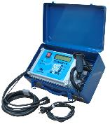
P O L Y V A L E N T B L U E B O X 1.0

 | BLUEBOX | Polyvalent unit BLUEBOX 1.0 20 mm - 160 mm | 1,595.00 | 1,595.00

P O L Y V A L E N T E U R O J U N I O R

 | JUNIOR | Polyvalent unit EURO JUNIOR 20 mm - 160 mm | 1,688.00 | 1,688.00

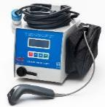
P O L Y V A L E N T E U R O M I D I

 | MIDI | Polyvalent unit EURO MIDI 20 mm - 400 mm | 2,485.00 | 2,485.00

P O L Y V A L E N T N Í E U R O M A X I

 | MAXI | Polyvalent unit EURO MAXI 20 mm - 630 mm | 4,471.00 | 4,471.00

P O L Y V A L E N T P E G A S U S H C

 | C0101451 | Polyvalent unit PEGASUS HC 20 mm - 800 mm | 3,475.00 | 3,475.00

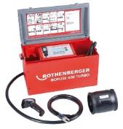
P O L Y V A L E N T R O F U S E 4 0 0

 | ROFUSE400 | Polyvalent unit ROFUSE 400 TURBO 20 mm - 400 mm | 4,502.00 | 4,502.00

A C C E S S O R I E S A N D T O O L S

CALDERPREP ™
 | C0107306 | rotary hand scraper Ø 32x3 mm | 161.47 | 161.47

 | C0107310 | rotary hand scraper Ø 63x5,8 mm | 211.32 | 211.32

CALDERPREP PLUS ™
 | C0107336 | rotary hand scraper 32-40-50-63 mm service kit | 490.80 | 490.80

UNIPREP™ 4
 | C0105002 | rotary srcaping tool Ø 63-250 mm with toolbox | 1,294.00 | 1,294.00

PS - 180
 |  | pipe scraper for diam. 75 - 180 mm
 | 1547000000 |  | 997.00 | 997.00

PS - 400
 |  | pipe scraper for diam. 200 - 400 mm
 | 1548000000 |  | 1,714.40 | 1,714.40

RCT - 315
 |  | pipe scraper for diam. 75 - 315 mm
 | 1544000000 |  | 2,459.00 | 2,459.00

 |  | pipe scraper chain for diam. 250 - 800 mm
CHAIN | 1545000000 |  | 5,702.00 | 5,702.00

F I X I N G P I P E C L A M P S

SUPERCLAMP
 |  | Superclamp straight 16-20-25-32-40-50-63mm
 | C0108116 |  | 273.25 | 273.25

SUPERCLAMP UNIVERSAL
 |  | Superclamp universal 16-20-25-32-40-50-63mm (New Type Mk2)
 | C0108117 |  | 363.50 | 363.50

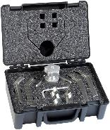

 |  | Service saddle outlet clamp 16-20-25-32mm kit (elbow/straight)
 | C0110205 |  | 273.75 | 273.75

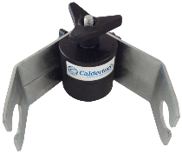
 |  | Service saddle outlet clamp jawset 90mm for straight coupler (4 pcs) | 93.00 | 93.00
 | C0110281
 |  | Service saddle outlet clamp c/w 63mm jaws 90° Elbow | 197.76 | 197.76
 | C0110252

ALIGNING CLAMPS WITH CENTRAL MOVEABLE JOINT

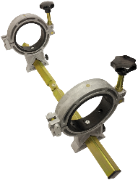
 | C0115102 | mains restraining clamp rings and angle maker base 63, 90, 125, 180, 200mm | 668.81 | 668.81

 | C0115006 | clamp liner set 125-63 (4 ks) | 112.70 | 112.70
 | C0115005 | clamp liner set 125-90 (4 ks) | 112.70 | 112.70
 | C0115009 | clamp liner set 180-110 (4 ks) | 119.78 | 119.78
 | C0115004 | clamp liner set 180-125 (4 ks) | 119.78 | 119.78
 | C0115008 | clamp liner set 180-140 (4 ks) | 119.78 | 119.78
 | C0115007 | clamp liner set 180-160 (4 ks) | 119.78 | 119.78
 | C0115110 | clamp liner set 200-180 (4 ks) | 119.78 | 119.78

 | 340063 | for diam. 20-63, 4 reducing inserts diam. 20-25-32-40-50 mm | 907.00 | 907.00

 |  | for diam. 20-125, 4 reducing inserts diam. 20-25-32-40-50-63-75-90-110 mm
 | 340125 |  | 1,396.00 | 1,396.00
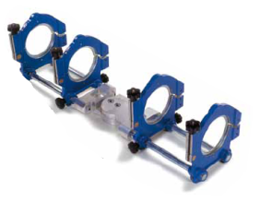
 | 340225 | for diam. 225 | 1,948.00 | 1,948.00

 | 341140 | reducing inserts diam. 140 | 198.67 | 198.67
 | 341160 | reducing inserts diam. 160 | 198.67 | 198.67
 | 341180 | reducing inserts diam. 180 | 198.67 | 198.67
 | 341200 | reducing inserts diam. 200 | 198.67 | 198.67

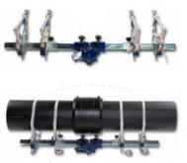

 | 340250 | for diam. 140-630 mm, with belt | 2,633.00 | 2,633.00

B U T T F U S I O N W E L D I N G U N I T S

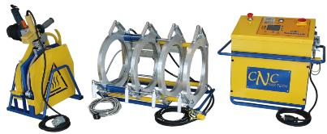
 | ZHCB-160 | Hydraulic for Ø 50-160 mm | 9,443.38 | 9,443.38

 | ZHCB-250 | Hydraulic for Ø 63-250 mm | 11,730.19 | 11,730.19

 | ZHCB-315 | Hydraulic for Ø 90-315 mm | 12,351.47 | 12,351.47

 | 578800 | TE 160 incl. reducing inserts Ø 50-160 mm | 10,698.00 | 10,698.00
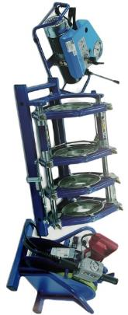

 | 578801 | TE 250 incl. reducing inserts Ø 75-250 mm | 13,960.68 | 13,960.68

 | 578802 | TE 315 incl. reducing inserts Ø 90-315 mm | 17,235.59 | 17,235.59

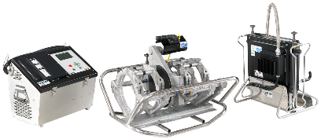
G A T O R 2
 | CGATOR180 | GATOR 2 180 automatic Ø 63-180 mm | 29,477.00 | 29,477.00
 | CGATOR250 | GATOR 2 250 automatic Ø 63-250 mm | 30,687.00 | 30,687.00
 | CGATOR315 | GATOR 2 315 automatic Ø 90-315 mm | 33,255.00 | 33,255.00
 | CGATOR400 | GATOR 2 400 automatic Ø 200-400 mm | 39,259.00 | 39,259.00

A C C E S S O R I E S A N D T O O L I N G

 | 1542000000 | manual pipe scraper | 15.55 | 15.55

 | C0461201 | pipe cutter 42 mm (red) | 13.81 | 13.81

 | C0461203 | pipe cutter 42 mm DELUX (yellowblack) | 23.27 | 23.27

 | C046120201 | pipe cutter HD 63mm DELUX (red) | 78.64 | 78.64

 | C0461228 | plastic pipe cutter 50 -120 mm | 181.67 | 181.67

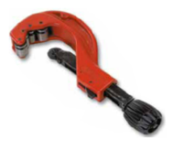
 | 1539000000 | manual pipe cutter for diam. 20 - 63 mm | 203.53 | 203.53

 | 1540000000 | manual pipe cutter for diam. 50 - 125 mm | 362.71 | 362.71

 | 1541000000 | manual pipe cutter for diam. 110 - 160 mm | 425.34 | 425.34

 | C0231002 | squeez tool Ø 0-32 mm mini | 35.30 | 35.30

 | C0231001 | squeez tool O 0-42 mm pocket size | 62.75 | 62.75

 | C0231202 | squeez tool 20-25-32-40-50-63mm SDR11 (blue) | 141.73 | 141.73

 | C0620475 | welding wipes of 150 pcs (90% etanol) | 36.21 | 36.21

PE / PP / PVDF / PB C L E A N E R |  |  |  | 0
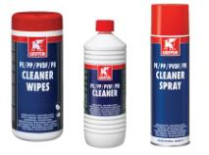

 | 601000PE | bottle 1 000 ml | 23.54 | 23.54
 | 6011000PES | spray 500 ml | 18.93 | 18.93
 | 60140000 | cleaner wipes 100 pcs | 18.93 | 18.93

