14. PVC FLEXIBLE HOSES
14 > P V C F L E X I B L E H O S E
D E S C R I P T I O N | C O D E |  |  |  |  |  |  |  |  |  | P R I C E ( EUR ) | D I S C O U N T (%)
 |  | Ø INT. | Ø EXT. | Wall thickness | Working pressure | Bursting pressure | Spiral density | Spire thickness | Roll length | Roll weight
 |  | ( mm ) | ( mm ) | ( mm ) | ( bar ) | ( bar ) | (mm) | (mm) | ( m ) | ( kg ) |  | 0

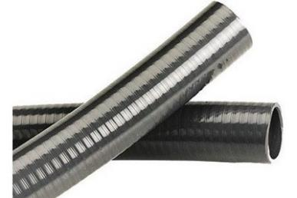
 | FH582015 | 12 | 16 | 2 | 7 | 22 | 6 | 2.5 |  | 3.75 | on request | on request
 | FH582016 | 13 | 16 | 1.5 | 7 | 22 | 6 | 2.5 |  | 3.75 | on request | on request
 | FH582020 | 16 | 20 | 2 | 7 | 22 | 7 | 4 |  | 5 | on request | on request
 | FH582025 | 20 | 25 | 2.5 | 7 | 22 | 7.5 | 4.4 |  | 7.5 | on request | on request
 | FH582032 | 26 | 32 | 3 | 5 | 16 | 9 | 5.5 |  | 8.5 | on request | on request
 | FH582040 | 34 | 40 | 3 | 5 | 16 | 9 | 6 |  | 12 | on request | on request
 | FH582051 | 42 | 50 | 4 | 5 | 16 | 9.5 | 6 | 25 | 18 | on request | on request
 | FH582052 | 43 | 50 | 3.5 | 5 | 16 | 10 | 6 |  | 18 | on request | on request
 | FH582063 | 55 | 63 | 4 | 5 | 16 | 10.5 | 6.3 |  | 25 | on request | on request
 | FH582075 | 63 | 75 | 6 | 4 | 12.5 | 11.5 | 7 |  | 35 | on request | on request
 | FH582090 | 80 | 90 | 5 | 4 | 12.5 | 13 | 7.5 |  | 45 | on request | on request
 | FH582110 | 100 | 110 | 5 | 3 | 9.5 | 14 | 7.5 |  | 55 | on request | on request
 | FH582125 | 125 | - | - | 3 | 9.5 | 14 | 7.5 |  | 55 | on request | on request

15. PVC-U PRESSURE PIPES
15 > P V C - U P R E S S U R E P I P E S PN10, PN16
D E S C R I P T I O N | C O D E | D I M E N S I O N | P R I C E ( EUR ) | D I S C O U N T ( % )

 |  |  |  | 0

 | P N 1 0
P V C - U P R E S S U R E P I P E S
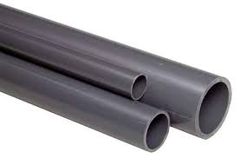 | P581032 | TR 32x 1,6mm 1,0 MPa grey 5m | on request | on request
 | P581040 | TR 40x 1,9mm 1,0 MPa grey 5m | on request | on request
 | P581050 | TR 50x 2,4mm 1,0 Mpa grey 5m | on request | on request
 | P581063 | TR 63x 3mm 1,0 MPa grey 5m | on request | on request
 | P581075 | TR 75x 3,6mm 1,0 MPa grey 5m | on request | on request
 | P581090 | TR 90x 4,3mm 1,0 MPa grey 5m | on request | on request
 | P581110 | TR 110x 4,2mm 1,0 MPa grey 5m | on request | on request
 | P581125 | TR 125x 4,8mm 1,0 MPa grey 5m | on request | on request
 | P581140 | TR 140x 6,7mm 1,0 MPa DIN 6m | on request | on request
 | P581160 | TR 160x 6,2mm 1,0 MPa grey 5m | on request | on request
 | P581200 | TR 200x 7,7mm 1,0 MPa grey 5m | on request | on request
 | P581225 | TR 225x 10,8mm 1,0 MPa DIN 6m | on request | on request
 | P581250 | TR 250x 9,6mm 1,0 MPa grey 5m | on request | on request
 | P581280 | TR 280x 13,4mm 1,0 MPa DIN 6m | on request | on request
 | P581315 | TR 315x12,1mm 1,0 MPa grey 5m | on request | on request
 | P581400 | TR 400x15,3mm 1,0 MPa beige 5m | on request | on request

 | P N 1 6

 | P582016 | TR 16x 1,5mm 1,6 MPa grey 5m | on request | on request
 | P582020 | TR 20x 1,5mm 1,6 MPa grey 5m | on request | on request
 | P582025 | TR 25x 1,9mm 1,6 MPa grey 5m | on request | on request
 | P582032 | TR 32x 2,4mm 1,6 MPa grey 5m | on request | on request
 | P582040 | TR 40x 3,0mm 1,6 MPa grey 5m | on request | on request
 | P582050 | TR 50x 3,7mm 1,6 MPa grey 5m | on request | on request
 | P582063 | TR 63x 4,7mm 1,6 MPa grey 5m | on request | on request
 | P582075 | TR 75x 5,6mm 1,6 MPa grey 5m | on request | on request
 | P582090 | TR 90x 6,7mm 1,6 MPa grey 5m | on request | on request
 | P582110 | TR 110x 6,6mm 1,6 MPa grey 5m | on request | on request

16. PE PRESSURE PIPES
16 > P E P R E S S U R E P I P E S PE 100 / PE 100 RC (PN10, PN16)
D E S C R I P T I O N | C O D E | D I M E N S I O N | P R I C E ( EUR )

 | PN10 / PN16
P E P R E S S U R E P I P E S
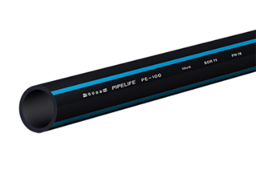 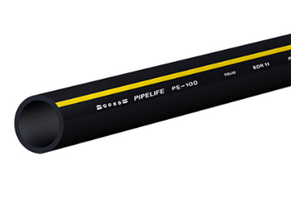 | P816025 | 25X2,3 6M PE100 | on request
 |  | 25X2,3 100M PE100 | on request
 | P816032 | 32x3,0 6M PE100 | on request
 |  | 32x3,0 100M PE100 | on request
 | P810032 | 32X2,0 6M PE100 | on request
 |  | 32X2,0 100M PE100 | on request
 | P816040 | 40X3,7 6M PE100 | on request
 |  | 40X3,7 100M PE100 | on request
 | P810040 | 40X2,4 6M PE100 | on request
 |  | 40X2,4 100M PE100 | on request
 | P816050 | 50X4,6 6M PE100 | on request
 |  | 50X4,6 100M PE100 | on request
 | P810050 | 50X3,0 6M PE100 | on request
 |  | 50X3,0 100M PE100 | on request
 | P816063 | 63X5,8 6M PE100 | on request
 |  | 63X5,8 100M PE100 | on request
 | P810063 | 63X3,8 6M PE100 | on request
 |  | 63X3,8 100M PE100 | on request
 | P816075 | 75X6,8 6M PE100 | on request
 |  | 75X6,8 100M PE100 | on request
 | P810075 | 75X4,5 6M PE100 | on request
 |  | 75X4,5 100M PE100 | on request
 | P816090 | 90X8,2 6M PE100 | on request
 |  | 90X8,2 12M PE100 | on request
 |  | 90X8,2 100M PE100 | on request
 | P810090 | 90X5,4 6M PE100 | on request
 |  | 90X5,4 12M PE100 | on request
 |  | 90X5,4 100M PE100 | on request
 | P816110 | 110X10,0 6M PE100 | on request
 |  | 110X10,0 12M PE100 | on request
 |  | 110X10,0 100M PE100 | on request
 | P810110 | 110X6,6 6M PE100 | on request
 |  | 110X6,6 12M PE100 | on request
 |  | 110X6,6 100M PE100 | on request
 | P816125 | 125X11,4 6M PE100 | on request
 |  | 125X11,4 12M PE10 | on request
 | P810125 | 125X7,4 6M PE100 | on request
 |  | 125X7,4 12M PE100 | on request
 | P816075 | 140X12,7 12M PE100 | on request
 |  | 140X8,3 12M PE100 | on request
 | P816160 | 160X14,6 6M PE100 | on request
 |  | 160X14,6 12M PE100 | on request
 | P810160 | 160X9,5 6M PE100 | on request
 |  | 160X9,5 12M PE100 | on request
 | P816180 | 180X16,4 12M PE100 | on request
 | P810180 | 180X10,7 12M PE100 | on request
 | P816200 | 200X18,2 12M PE100 | on request
 | P810200 | 200X11,9 12M PE100 | on request
 | P816225 | 225X20,5 6M PE100 | on request
 |  | 225X20,5 12M PE100 | on request
 | P810225 | 225X13,4 6M PE100 | on request
 |  | 225X13,4 12M PE100 | on request
 | P816250 | 250X22,7 12M PE100 | on request
 | P810250 | 250X14,8 12M PE100 | on request
 | P816280 | 280X25,4 12M PE100 | on request
 | P810280 | 280X16,6 12M PE100 | on request
 | P816315 | 315X28,6 12M PE100 | on request
 | P810315 | 315X18,7 12M PE100 | on request

ON REQUEST, WE CAN OFFER PE PIPES WITH DIAMETER DN 32-1600 IN PRESSURE RANGES PN 6 - PN 25.

